definitions_list_lookup
grain size & texture characteristics | grain size | grain size variability | host rock characteristics | host rock ithology | host rock lithologic characteristics | host rock texture characteristics | host rock litholgical contact type | host rock banding type | host rock banding and lithological contact geometry | Intensity of banding & SPO (foliation) | host rock structural feature | host rock structural feature characteristics | vein_density | vein_orientation | vein_type | vein characteristics | overall vein lithology | vein texture characteristics | vein & localized deformation features | localized structure type | contact type | contact geometry | frequency | cross-cutting feature type | host rock & localized structure characteristics | structural feature characteristics | deformation intensity | sense of shear | main mineral with SPO or defining foliation | feature_age | grain size rank table |  | Layer and SPO (foliation) intensity rank table |  | deformation intensity rank table |  | vein & localized deformation feature frequency rank table |  | Quality_name
 |  |  |  |  |  |  |  |  |  |  |  |  |  |  |  |  |  |  |  |  |  |  |  | fault |  |  |  |  |  |  |  |  | not present | 0
 | Glassy/amorphous/isotropic | equigranular |  | dunite | graphite-bearing | granular | not present | not present | irregular | not present | matrix (unspecified) | granoblastic | no veins | isotropic | vein |  | quartz | cross-fiber |  | vein | modal/mineral contrast | irregular | not present | joint |  | granoblastic | no deformation observed | normal | olivine | D1 | Glassy/amorphous/isotropic | 0 | weak | 1 | not present | 0 | no features | 0 | uncertain | 0
 | Cryptocrystalline <0.1mm | seriate/gradual across a range |  | harzburgite | Fe-oxide-bearing | poikiloblastic | modal/mineral contrast | modal/mineral contrast | planar | weak | banding | porphyroclastic | <1/10cm | weakly oriented | vein set |  | calcite | blocky |  | fault | grain size contrast | planar | <1/10cm | crack |  | schistose | weak: minor fracturing &/or subgrains | reverse | pyroxene | D2 | Cryptocrystalline <0.1mm | 1 | moderate | 2 | weak: minor fracturing &/or subgrains | 1 | <1/10cm | 1 | likely | 1
 | Microcrystalline 0.1-0.2mm | bi-modal |  | lherzolite | hematite-bearing | porphyroclastic | grain size contrast | grain size contrast | curved | moderate | foliation | polymict | 1-5/10cm | moderately oriented |  |  | magnesite | laminated/foliated |  | joint | grain shape contrast | curved | 1-5/10cm | shear zone |  | foliated | moderate deformation | dextral | quartz | D3 | Microcrystalline 0.1-0.2mm | 2 | strong | 3 | moderate deformation | 2 | 1-5/10cm | 2 | certain | 2
 | Fine grained 0.2-1mm | multi-modal |  | peridotite | chromite-bearing | abundant pseudomorphs | grain shape contrast | grain shape contrast | anastomosing | strong | schistosity | breccia clasts in breccia | 5-10/10cm | strongly oriented |  |  | dolomite | massive |  | crack | grain orientation contrast | anastomosing | >5/10cm | fold |  | banded | strong: incipient grain size reduction and rotation | sinistral | carbonate | D4 | Fine grained 0.2-1mm | 3 | variable | 4 | strong: incipient grain size reduction and rotation | 3 | >5/10cm | 3
 | Medium grained 1-5mm |  |  | listvenite | silicified | abundant relict grains | grain orientation contrast | grain orientation contrast | gradational | variable | lineation | banded | 10-20/10cm |  |  |  | carbonate | slip fiber |  | shear zone | color contrast | sutured |  | breccia |  | lineated | well-developed cataclasis or recrystallization | normal dextral | magnesite | D5 | Medium grained 1-5mm | 4 |  |  | well-developed cataclasis or recrystallization | 4
 | Coarse grained 5-30mm |  |  | magnesite listvenite | low-silica | leucocratic | color contrast | color contrast | faulted |  | breccia | foliated | >20/10cm |  |  |  | carb-qtz | vuggy |  | fold |  | en echelon |  | cataclasite |  | mylonitic | ultracataclasite, ultramylonite, fault gouge | normal sinistral | dolomite |  | Coarse grained 5-30mm | 5 |  |  | ultracataclasite, ultramylonite, fault gouge | 5
 | >30mm |  |  | dolomite listvenite | leucocratic | melanocratic | not recovered | not recovered |  |  | cataclasite | lineated |  |  |  |  | mag-qtz | crack seal |  | breccia |  | splaying |  | ultracataclasite |  | ultramylonitic | pseudotachylite | reverse dextral | calcite |  | >30mm | 6 |  |  | pseudotachylite | 6
 | undeterminable |  |  | serpentinite | red & tan |  | structural | veins |  |  | ultracataclasite | brecciated |  |  |  |  | mag-dol | sheared |  | cataclasite |  | sheared contact |  | pseudotachylite |  | cataclastic |  | reverse sinistral | amphibole |  | undeterminable | 7
 |  |  |  | ophicalcite | pink & tan |  | clast mode | chaotic |  |  | pseudotachylite | cataclastic |  |  |  |  | cct-dol | patchy |  | ultracataclasite |  | foliated contact |  | mylonite |  | ultracataclastic |  | unknown | serpentine
 |  |  |  | alluvium | green & tan |  | clast size | foliated |  |  | mylonite | mylonitic |  |  |  |  | hematite | overgrowth |  | pseudotachylite |  |  |  | ultramylonite |  | brecciated |  |  | oxides
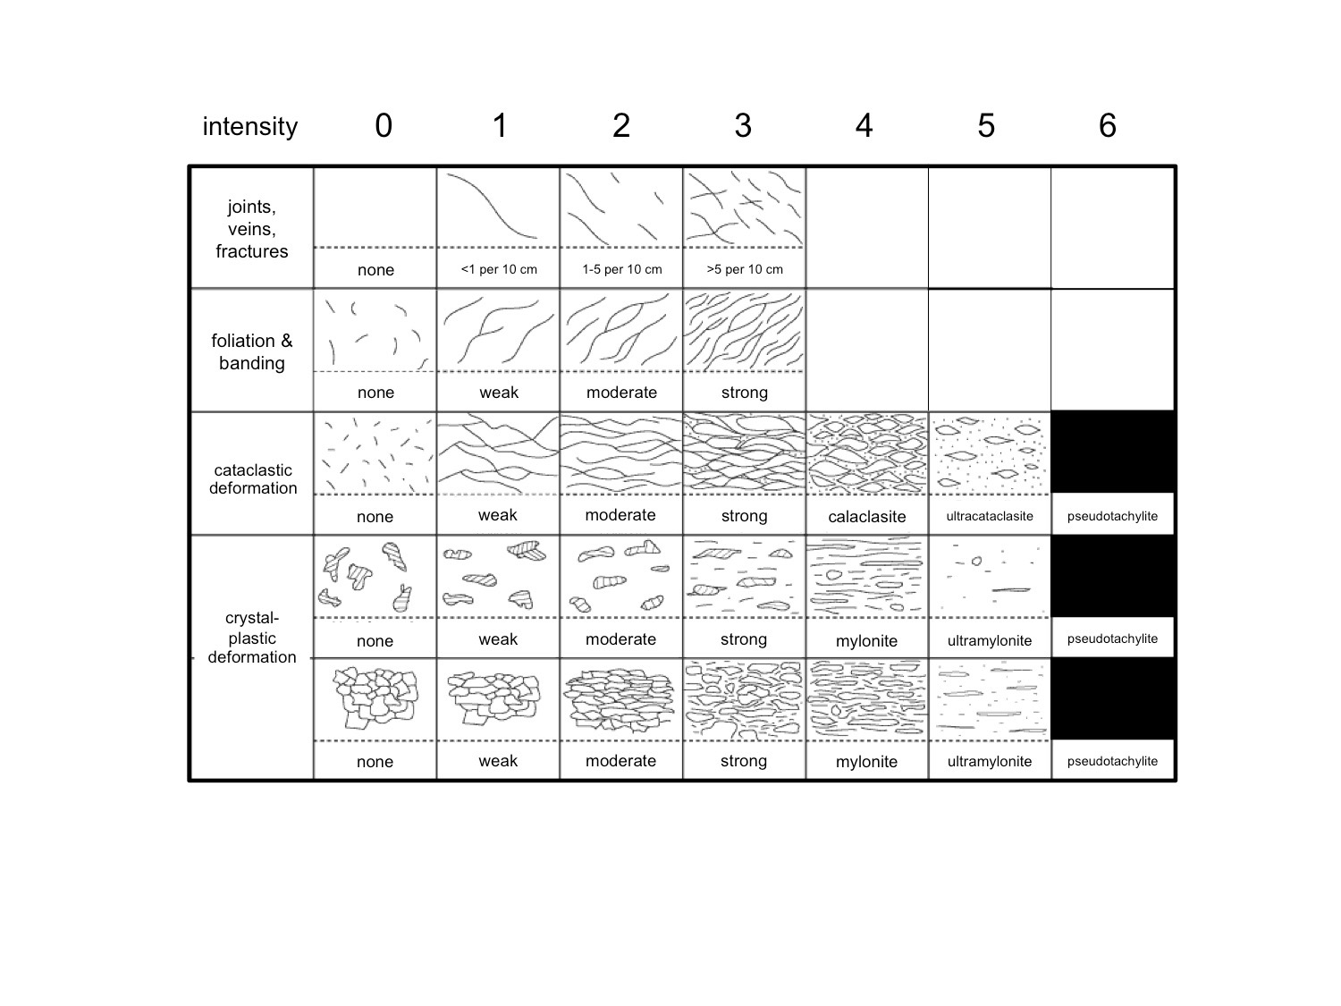
 |  |  |  | chromitite | melanocratic |  | veining |  |  |  | ultramylonite | ultramylonitic |  |  |  |  | Fe-oxyhydroxides | brecciated |  | mylonite |  |  |  | quartz vein |  | folded |  |  | fuchsite
 |  |  |  | metabasalt | partially serpentinized |  |  |  |  |  | fold | folded |  |  |  |  | Fe-oxides+qtz | syntaxial |  | ultramylonite |  |  |  | calcite vein |  | slickensides |  |  | graphite
 |  |  |  | metavolcanic | fuchsite-bearing |  |  |  |  |  | OVERVIEW | angular |  |  |  |  | Fe-oxides+carb | antitaxial |  | slickensides |  |  |  | magnesite vein |  | cohesive gouge |  |  | other
 |  |  |  | greenstone | carbonate-bearing |  |  |  |  |  |  | sub-angular |  |  |  |  | graphite | epitaxial |  | vein set |  |  |  | dolomite vein |  | incohesive gouge
 |  |  |  | shale | quartz-bearing |  |  |  |  |  |  | rounded |  |  |  |  | graphite+hematite | pull-apart |  | sheared vein |  |  |  | carbonate vein |  | polymict
 |  |  |  | phyllite | quartz+carb-bearing |  |  |  |  |  |  | sub-rounded |  |  |  |  | graphite+Fe-oxyhydroxides | zoned |  | disaggregated vein |  |  |  | carb-qtz vein |  | contains breccia clasts
 |  |  |  | schist | brucite-bearing |  |  |  |  |  |  |  |  |  |  |  | serpentine |  |  |  |  |  |  | mag-dol vein |  | sheared
 |  |  |  | amphibolite | psammitic |  |  |  |  |  |  |  |  |  |  |  | Fe-oxides+serp |  |  |  |  |  |  | cct-dol vein |  | attenuated | classification from Sibson, J Geol Soc London 1977
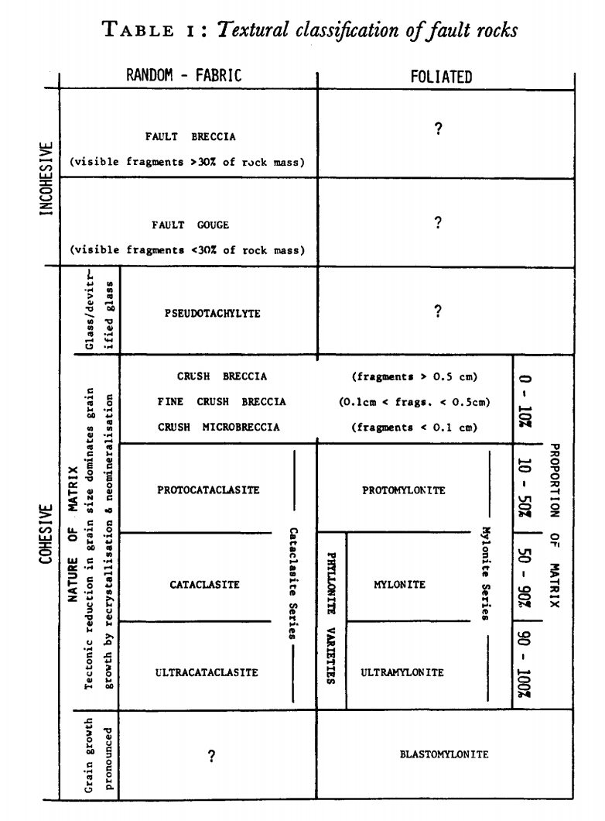
 |  |  |  | breccia | pelitic |  |  |  |  |  |  |  |  |  |  |  | carb+serp |  |  |  |  |  |  | hematite vein
 |  |  |  | other | mafic |  |  |  |  |  |  |  |  |  |  |  | prehnite |  |  |  |  |  |  | Fe-oxyhydroxides vein
 |  |  |  | OVERVIEW | volcanoclastic |  |  |  |  |  |  |  |  |  |  |  | zeolite |  |  |  |  |  |  | Fe-oxides+qtz vein
 |  |  |  | silicified | amygdule-bearing |  |  |  |  |  |  |  |  |  |  |  | amphibole |  |  |  |  |  |  | Fe-oxides+carb vein
 |  |  |  | weathered | weathered |  |  |  |  |  |  |  |  |  |  |  | albite |  |  |  |  |  |  | graphite vein
 |  |  |  |  | massive |  |  |  |  |  |  |  |  |  |  |  | chlorite |  |  |  |  |  |  | graphite+hematite vein
 |  |  |  |  | veined |  |  |  |  |  |  |  |  |  |  |  | smectite, illite, etc |  |  |  |  |  |  | graphite+Fe-oxyhdroxides vein
 |  |  |  |  | foliated |  |  |  |  |  |  |  |  |  |  |  | gypsum |  |  |  |  |  |  | serpentine vein
 |  |  |  |  | pillow structure |  |  |  |  |  |  |  |  |  |  |  | anhydrite |  |  |  |  |  |  | Fe-oxides+serp vein
 |  |  |  |  | brecciated |  |  |  |  |  |  |  |  |  |  |  | barite |  |  |  |  |  |  | carb+serp vein
 |  |  |  |  |  |  |  |  |  |  |  |  |  |  |  |  | fuchsite |  |  |  |  |  |  | prehnite vein
 |  |  |  |  |  |  |  |  |  |  |  |  |  |  |  |  | fuchsite+qtz |  |  |  |  |  |  | zeolite vein
 |  |  |  |  |  |  |  |  |  |  |  |  |  |  |  |  | polymineralic |  |  |  |  |  |  | amphibole vein
 |  |  |  |  |  | classification from Sibson, J Geol Soc London 1977 |  |  |  |  |  |  |  |  |  |  | other! |  |  |  |  |  |  | albite vein
 |  |  |  |  |  |  |  |  |  |  |  |  |  |  |  |  | OVERVIEW |  |  |  |  |  |  | chlorite vein
 |  |  |  |  |  |  |  |  |  |  |  |  |  |  |  |  |  |  |  |  |  |  |  | smectite, illite, etc vein
 |  |  |  |  |  |  |  |  |  |  |  |  |  |  |  |  |  |  |  |  |  |  |  | gypsum vein
 |  |  |  |  |  |  |  |  |  |  |  |  |  |  |  |  |  |  |  |  |  |  |  | anhydrite vein
 |  |  |  |  |  |  |  |  |  |  |  |  |  |  |  |  |  |  |  |  |  |  |  | barite vein
 |  |  |  |  |  |  |  |  |  |  |  |  |  |  |  |  |  |  |  |  |  |  |  | polymineralic vein

